Sheet2
Vehicle Repair/Service Request

DATE :____________

MAKE / MODEL _________________ |  | MANUFACTURE YEAR :____________

REG,NO :___________________________ |  | MILEAGE :_____________________________
REQUEST BY :_____________________________________________________________

COMPLAINT :___________________________________________________________

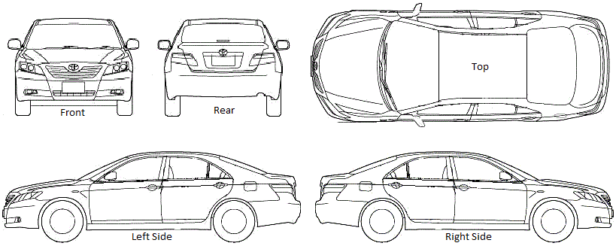

PARTS LIST :

JOB DESCRIPTION : ________________________________________________________

TECHNICIAN :__________________________ |  | COMPLETION DATE :___________________

JOB STATUS :_____________ | JOB COMPLETED |  | WIP,NO :____________________

 |  |  |  | SIGNATURE

